Assumption
CESC Limited
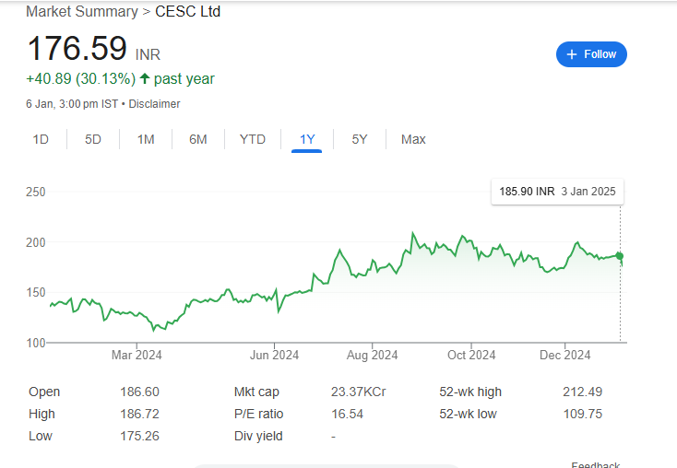
 | Assumptions

 | General Assumptions
 | Transaction Date | 2025-01-06
 | Fiscal Year Date | 2024-03-31
 | India 10 Years Government Bond Yield | 7.00%
 | Tax Rate | 21.70%
 | Perp. Growth Rate | 6.00%
 | Discount Rate | 10.08%
 | No of Shares Outstanding | 1,325,570,430.00
 | CMP | 185.98

 | Item | Sheet | Assumptions

 | Income statement

 | Revenue | Mode | Considering the revenue from operations for forecasting, scenarios such as the base case, bull case, and bear case are used.
 |  |  | These scenarios are based on the average of the company's historical data.

 |  |  | For forecasting the Cost of Goods Sold (COGS), first calculate the COGS as a percentage of revenue by analyzing previous years' data.
 | Cost of Good Sold (COGS) | Mode | Then, take the average of these percentages from the past years and assume it remains constant for the forecasted years.
 |  |  | Multiply this constant percentage by the forecasted revenue to estimate the COGS.

 |  |  | To forecast salaries and benefits, first calculate the salaries and benefits as a percentage of revenue.
 | Salaries and Benefits | Mode | Then, take the average of this percentage over the previous years to determine a constant for the forecasted years.
 |  |  | Finally, multiply this constant by the forecasted revenue to obtain the projected salaries and benefits for the future years.

 |  |  | To forecast other SG&A (Selling, General, and Administrative) expenses, first calculate the other SG&A expenses as a percentage of revenue.
 | Other SG&A Expenses | Mode | Then, take the average of this percentage over the previous years to determine a constant for the forecasted years
 |  |  | Finally, multiply this constant by the forecasted revenue to obtain the projected other SG&A expenses for the future years.

 | Depreciation & Amortization Expenses | Mode | Depreciation for the year is forecasted to increase by 0.5% every two years.
 |  |  | This method assumes a consistent annual increase in depreciation over a two-year period, with the increase being applied every three years.

 | Interest | Mode | Interest is forecasted to remain the same as the previous year and is projected accordingly in the forecast.

 | Regulatory income | Mode | Regulatory income is forecasted to remain the same as the previous year and is projected accordingly in the forecast.

 |  |  | To forecast other income, first calculate other income as a percentage of revenue.
 | Other Income (Expenses) | Mode | Then, take the average of this percentage over the previous years to determine a constant for the forecasted years
 |  |  | Finally, multiply this constant by the forecasted revenue to obtain the projected other income for the future years.

 |  |  | To forecast taxes, first calculate taxes as a percentage of Earnings Before Tax (EBT).
 | Taxes | Mode | Then, take previous year to determine for the forecasted years.
 |  |  | Finally, multiply this by the forecasted Earnings Before Tax to obtain the projected taxes for the future years and the tax rate has been raised by 0.5% every two years going forward

 | Balance sheet

 | Bank Deposits
 | Financial Assets | Mode | All these items are assumed to remain the same as the previous year and are projected accordingly in the forecasting.
 | Other Non-Current Assets

 | Property & Equipment |  | Property & Equipment, along with capital expenditures (Capex) for the year, is forecasted to increase by 0.5% every years.
 | Plus Capex | Mode

 | Regulatory deferral account balances
 | Debt | Mode | All these items are assumed to remain the same as the previous year and are projected accordingly in the forecasting.
 | Other Non-Current Liability
 | Consumers' Security Deposits

 | Equity Capital |  | All these items are assumed to remain the same as the previous year and are projected accordingly in the forecasting.
 | Non-Controlling Interest | Mode
 | Regulatory deferral account balances

 | cashflow statement

 | Sale of property, plant and equipment
 | Dividend received | Mode | All these items are assumed to be zero and are projected accordingly in the forecasting.
 | Income from investment property
 | Finance Costs paid

 | SCENARIO
 | Revenue | Scenario | To forecast revenue, first calculate the average of the previous years, which serves as the base case.
 |  |  | For the bull case, add 5% to the average of the previous years, and for the bear case, subtract 5% from the average of the previous years and it constant for forecast.

 | DSO,DIP,DPO | Working Capital | For this purpose considering 365 days in year

 | Market consensus | Summary | Considering high price is 420 and low price is 90

Summary
CESC Limited
 | Valuation Summary - Football Field

 |  | Football Field Data

 |  |  |  |  |  |  | Market
 |  |  |  | Comps | DCF | 52-week hi/lo | Consensus
 |  |  | High | 367.24 | 15,709.98 | 207.77 | 420.00
 |  |  | High | 367.24 | 15,709.98 | 207.77 | 420.00
 |  |  | Low | 19.58 | 5,006.90 | 112.45 | 90.00
 |  |  | Low | 19.58 | 5,006.90 | 112.45 | 90.00

Valuation Summary

